MICHAEL KORS PO
Picture | Brand | Gender | Macrocategory | Season | Loc | EAN | Sku | Article name | Colour | SIZE | Composition | Quantity | Retail Price EUROPA | Wholesale Price | Picture | Purchase order Quantity | Purchase Order Sum
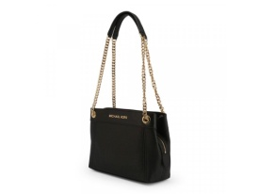 | Michael Kors | Women | Shoulder Bag | Carry Over | 400 | 192877707677 | 35T9GTTM6L-BLACK-OS | Jsi Lg Chain | Black | OS | 100% Calf Leather | 9 | 550.00 € | 229.17 €
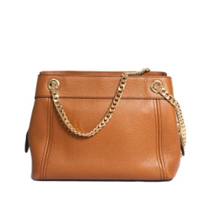 | Michael Kors | Women | Shoulder Bag | Carry Over | 600 | 192877707714 | 35T9GTTM6L-LUGGAGE-OS | Jsi Lg Chain | Brown | OS | 100% Calf Leather | 18 | 490.00 € | 204.17 €
 | Michael Kors | Women | Shoulder Bag | Carry Over | 500 | 192877707462 | 35T9GTTE7L-LUGGAGE-OS | Jsi Lg Chain | Brown | OS | 100% Calf Leather | 10 | 495.00 € | 206.25 €
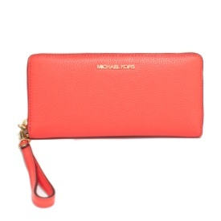 | Michael Kors | Women | Wallet | Carry Over | 500 | 193599757940 | 35T7GTVE7L-CORAL-REEF-OS | Travel Continental | Pink | OS | 100% Calf Leather | 22 | 270.00 € | 112.50 €
 | Michael Kors | Women | Wallet | Carry Over | 600 | 196163304502 | 35T2STVE2U-OPTIC-WHITE-OS |  | White | OS | 100% Calf Leather | 8 | 190.00 € | 79.17 €
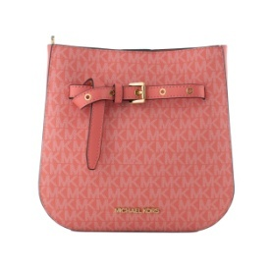 | Michael Kors | Women | Crossbody & Messenger Bag | Carry Over | 500 | 196163291758 | 35T2GU5M6B-GRAPEFRUIT-OS | Rose | Pink | OS | 100% Calf Leather | 8 | 495.00 € | 206.25 €
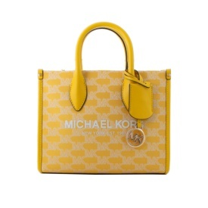 | Michael Kors | Women | Handbag | Carry Over | 500 | 196163293974 | 35T2G7ZC5J-BUTTER-MULTI-OS |  | Yellow | OS | 100% Calf Leather | 5 | 425.00 € | 177.08 €
 | Michael Kors | Women | Crossbody & Messenger Bag | Carry Over | 500 | 194900513026 | 35T1STTC9L-PALE-BLUE-OS | Jsi Xbody | Light Blue | OS | 100% Calf Leather | 5 | 375.00 € | 156.25 €
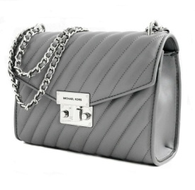 | Michael Kors | Women | Crossbody & Messenger Bag | Carry Over | 500 | 194900082751 | 35T0SXOL2U-HEATHER-GREY-OS | Rose Md Flap | Grey | OS | 100% Calf Leather | 9 | 495.00 € | 206.25 €
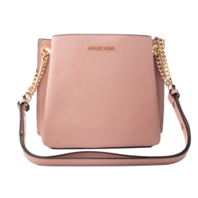 | Michael Kors | Women | Shoulder Bag | Carry Over | 500 | 193599738529 | 35T0GXZL5L-POWDER-BLUSH-OS | Teagen Sm Bucket | Pink | OS | 100% Calf Leather | 12 | 450.00 € | 187.50 €
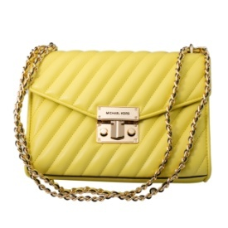 | Michael Kors | Women | Crossbody & Messenger Bag | Carry Over | 500 | 196163110998 | 35T0GXOL2U-SUNSHINE-OS | Rose Md Flap | Yellow | OS | 100% Calf Leather | 10 | 495.00 € | 206.25 €
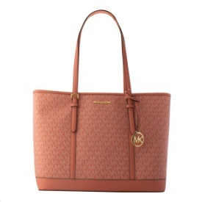 | Michael Kors | Women | Shoulder Bag | Carry Over | 500 | 196163110387 | 35T0GTVT3V-SHERBERT-MLT-OS | Jst Lg Tote | Pink | OS | 100% Calf Leather | 6 | 495.00 € | 206.25 €
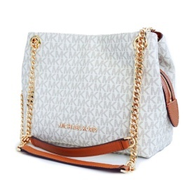 | Michael Kors | Women | Shoulder Bag | Carry Over | 600 | 193599237671 | 35S9GTTM2B-VANILLA-OS | Jsi Chain Md | Beige | OS | 100% Calf Leather | 35 | 490.00 € | 204.17 €
 | Michael Kors | Women | Crossbody & Messenger Bag | Carry Over | 600 | 196163108100 | 35S2S6SL2B-BRT-WHT-MLT-OS |  | Beige | OS | 100% Calf Leather | 10 | 490.00 € | 204.17 €
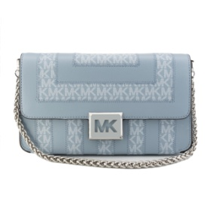 | Michael Kors | Women | Crossbody & Messenger Bag | Carry Over | 600 | 196163108148 | 35S2S6SL2B-PALE-BLU-MLT-OS |  | Light Blue | OS | 100% Calf Leather | 10 | 490.00 € | 204.17 €
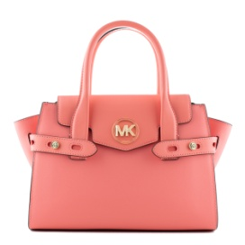 | Michael Kors | Women | Handbag | Carry Over | 600 | 196163274683 | 35S2GNMS8L-GRAPEFRUIT-OS | Rose | Pink | OS | 100% Calf Leather | 5 | 525.00 € | 218.75 €
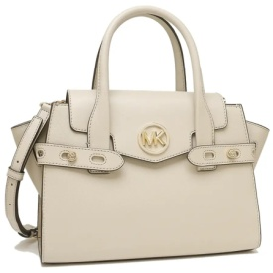 | Michael Kors | Women | Handbag | Carry Over | 600 | 196163274638 | 35S2GNMS8L-LIGHT-SAND-OS | Rose | Beige | OS | 100% Calf Leather | 10 | 525.00 € | 218.75 €
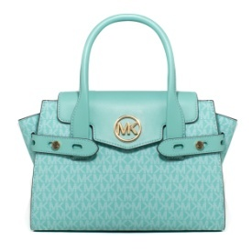 | Michael Kors | Women | Handbag | Carry Over | 600 | 196163274553 | 35S2GNMS5B-SEAFOAM-OS | Rose | Light Blue | OS | 100% Calf Leather | 4 | 525.00 € | 218.75 €
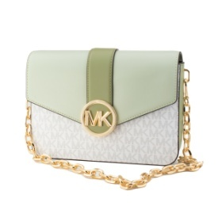 | Michael Kors | Women | Crossbody & Messenger Bag | Carry Over | 600 | 196163080567 | 35S2GNML6V-LT-SAGE-MLTI-OS | Sherbert | Green | OS | 100% Calf Leather | 10 | 550.00 € | 229.17 €
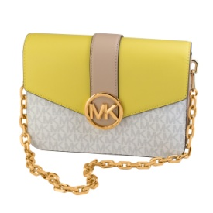 | Michael Kors | Women | Crossbody & Messenger Bag | Carry Over | 600 | 196163080574 | 35S2GNML6V-SUNSHN-MULTI-OS | Sherbert | Yellow | OS | 100% Calf Leather | 10 | 550.00 € | 229.17 €
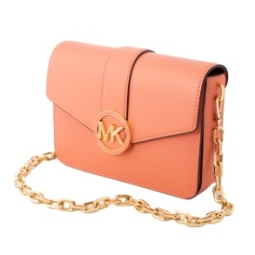 | Michael Kors | Women | Crossbody & Messenger Bag | Carry Over | 500 | 196163080437 | 35S2GNML2L-SHERBERT-OS | Sherbert | Pink | OS | 100% Calf Leather | 10 | 550.00 € | 229.17 €
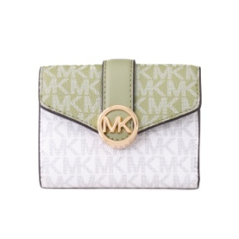 | Michael Kors | Women | Wallet | Carry Over | 500 | 196163079851 | 35S2GNMF6V-LT-SAGE-MLTI-OS | Carmen | Green | OS | 100% Calf Leather | 16 | 250.00 € | 104.17 €
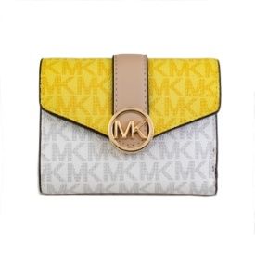 | Michael Kors | Women | Wallet | Carry Over | 500 | 196163079899 | 35S2GNMF6V-SUNSHN-MULTI-OS | Carmen | Yellow | OS | 100% Calf Leather | 30 | 250.00 € | 104.17 €
 | Michael Kors | Women | Wallet | Carry Over | 600 | 196163079813 | 35S2GNMF6L-SHERBERT-OS | Carmen | Pink | OS | 100% Calf Leather | 6 | 190.00 € | 79.17 €
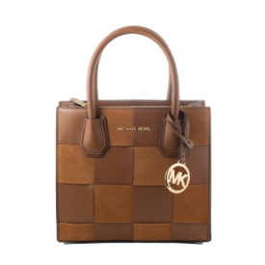 | Michael Kors | Women | Handbag | Carry Over | 600 | 196163078816 | 35S2GM9M6S-LUGG-MULTI-OS | Mercer | Brown | OS | 100% Calf Leather | 4 | 490.00 € | 204.17 €
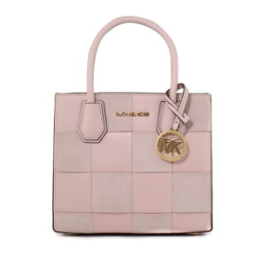 | Michael Kors | Women | Handbag | Carry Over | 500 | 196163078861 | 35S2GM9M6S-PWD-BLSH-MLT-OS | Mercer | Pink | OS | 100% Calf Leather | 18 | 495.00 € | 206.25 €
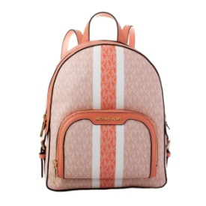 | Michael Kors | Women | Backpack | Carry Over | 500 | 196163096339 | 35S2G8TB2V-SHERBERT-MLT-OS | Rose | Pink | OS | 100% Calf Leather | 4 | 550.00 € | 229.17 €
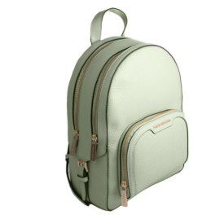 | Michael Kors | Women | Backpack | Carry Over | 600 | 196163096186 | 35S2G8TB2L-ATOM-GREEN-OS |  | Green | OS | 100% Calf Leather | 8 | 550.00 € | 229.17 €
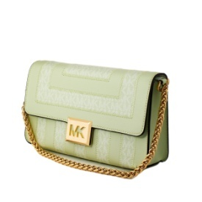 | Michael Kors | Women | Crossbody & Messenger Bag | Carry Over | 600 | 196163093499 | 35S2G6SL2B-ATM-GRN-MLT-OS |  | Green | OS | 100% Calf Leather | 12 | 550.00 € | 229.17 €
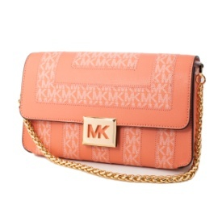 | Michael Kors | Women | Crossbody & Messenger Bag | Carry Over | 600 | 196163093574 | 35S2G6SL2B-SHERBERT-MLT-OS |  | Pink | OS | 100% Calf Leather | 13 | 550.00 € | 229.17 €
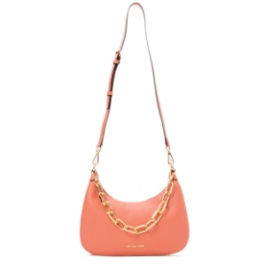 | Michael Kors | Women | Shoulder Bag | Carry Over | 500 | 196163277745 | 35S2G4CW3L-GRAPEFRUIT-OS | Rose | Pink | OS | 100% Calf Leather | 3 | 425.00 € | 177.08 €
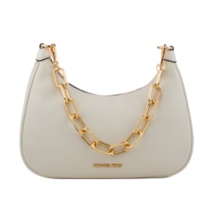 | Michael Kors | Women | Handbag | Carry Over | 500 | 196163091723 | 35S2G4CW3L-OPTIC-WHITE-OS | Rose | White | OS | 100% Calf Leather | 10 | 425.00 € | 177.08 €
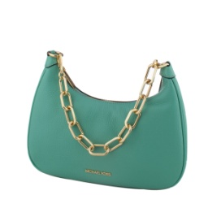 | Michael Kors | Women | Handbag | Carry Over | 500 | 196163277738 | 35S2G4CW3L-SEAFOAM-OS | Rose | Light Blue | OS | 100% Calf Leather | 7 | 425.00 € | 177.08 €
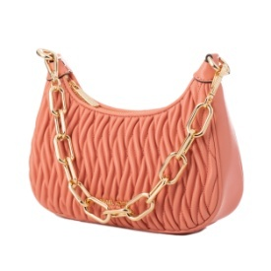 | Michael Kors | Women | Crossbody & Messenger Bag | Carry Over | 500 | 196163091464 | 35S2G4CU1U-SHERBERT-OS | Rose | Pink | OS | 100% Calf Leather | 16 | 425.00 € | 177.08 €
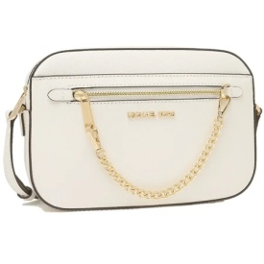 | Michael Kors | Women | Crossbody & Messenger Bag | Carry Over | 500 | 194900274323 | 35S1GTTC7L-OPTIC-WHITE-OS | Saffiano | White | OS | 100% Calf Leather | 31 | 375.00 € | 156.25 €
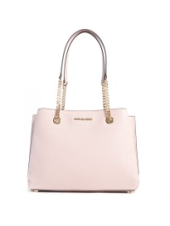 | Michael Kors | Women | Shoulder Bag | Carry Over | 400 | 193599455457 | 35S0GXZS7L-BLOSSOM-OS | Satchel | Pink | OS | 100% Calf Leather | 1 | 490.00 € | 204.17 €
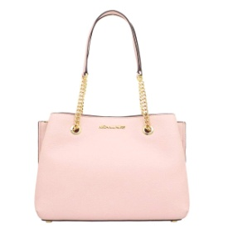 | Michael Kors | Women | Shoulder Bag | Carry Over | 400 | 193599710075 | 35S0GXZS7L-POWDER-BLUSH-OS | Satchel | Pink | OS | 100% Calf Leather | 20 | 450.00 € | 187.50 €
 | Michael Kors | Women | Wallet | Carry Over | 500 | 196163270067 | 35H3GTVZ3L-BUTTER-OS | Kate | Yellow | OS | 100% Calf Leather | 13 | 250.00 € | 104.17 €
 | Michael Kors | Women | Wallet | Carry Over | 500 | 194900684542 | 35H3GTVZ3L-LT-CREAM-OS | Kate | Beige | OS | 100% Calf Leather | 10 | 250.00 € | 104.17 €
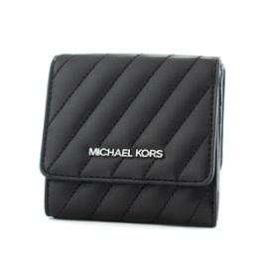 | Michael Kors | Unisex | Wallet | Carry Over | 400 | 194900906187 | 35H1STVP6U-BLACK-OS |  | Black | OS | 100% Calf Leather | 2 | 190.00 € | 79.17 €
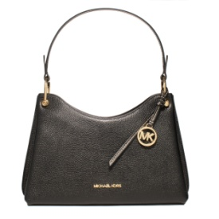 | Michael Kors | Women | Shoulder Bag | Carry Over | 500 | 194900894170 | 35H1GV9L8L-BLACK-OS |  | Black | OS | 100% Calf Leather | 1 | 590.00 € | 245.83 €
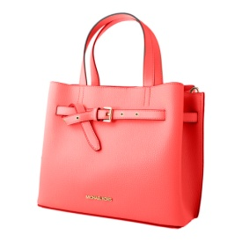 | Michael Kors | Women | Handbag | Carry Over | 500 | 196163264585 | 35H0GU5S7T-GRAPEFRUIT-OS | Emilia | Pink | OS | 100% Calf Leather | 18 | 590.00 € | 245.83 €
 | Michael Kors | Women | Wallet | Carry Over | 500 | 193599697253 | 35F8STVW0L-ELECTRC-BLUE-OS |  | Light Blue | OS | 100% Calf Leather | 23 | 270.00 € | 112.50 €
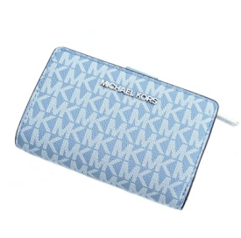 | Michael Kors | Women | Wallet | Carry Over | 500 | 196163063904 | 35F8STVF2B-CHAMBRAY-MLT-OS | Chambray | Light Blue | OS | 100% Calf Leather | 14 | 275.00 € | 114.58 €
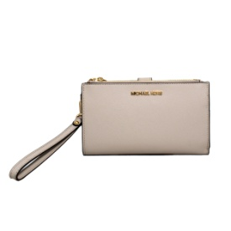 | Michael Kors | Women | Wallet | Carry Over | 500 | 196163263731 | 35F8GTVW0L-LIGHT-SAND-OS |  | Beige | OS | 100% Calf Leather | 2 | 270.00 € | 112.50 €
 | Michael Kors | Women | Wallet | Carry Over | 500 | 196163062983 | 35F7STVF2L-LVNDR-MIST-OS |  | Lila | OS | 100% Calf Leather | 6 | 250.00 € | 104.17 €
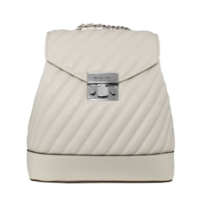 | Michael Kors | Women | Backpack | Carry Over | 400 | 194900676172 | 35F1SXOB6U-OPTIC-WHITE-OS | Rose | White | OS | 100% Calf Leather | 12 | 590.00 € | 245.83 €
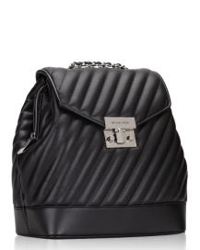 | Michael Kors | Women | Backpack | Carry Over | 500 | 194900676141 | 35F1SX0B6U-BLACK-OS | Rose | Black | OS | 100% Calf Leather | 19 | 425.00 € | 177.08 €
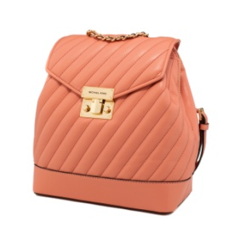 | Michael Kors | Women | Backpack | Carry Over | 400 | 196163061207 | 35F1GXOB6U-SHERBERT-OS | Rose | Pink | OS | 100% Calf Leather | 8 | 590.00 € | 245.83 €
 | Michael Kors | Unisex | Backpack | Carry Over | 400 | 194900658017 | 35F1GTVP6U-BLACK-OS |  | Black | OS | 100% Calf Leather | 15 | 190.00 € | 79.17 €
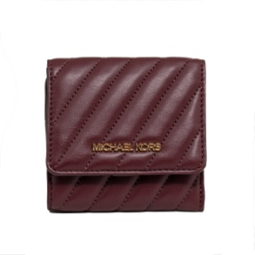 | Michael Kors | Unisex | Wallet | Carry Over | 400 | 194900658079 | 35F1GTVP6U-MERLOT-OS |  | Black | OS | 100% Calf Leather | 4 | 190.00 € | 79.17 €
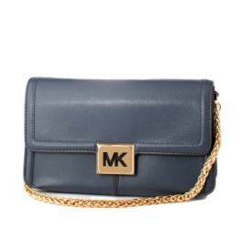 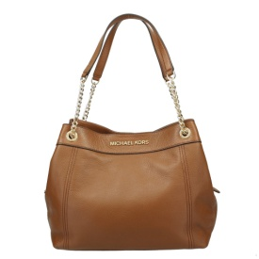 | Michael Kors | Women | Crossbody & Messenger Bag | Carry Over | 600 | 194900665480 | 35F1G6SL3L-NAVY-OS | Casandras | Light Blue | OS | 100% Calf Leather | 11 | 550.00 € | 229.17 €
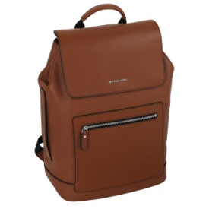 | Michael Kors | Men | Backpack | Carry Over | 500 | 193599472652 | 33S0LHDB2L-LUGGAGE-OS | Hudson | Brown | OS | 100% Calf Leather | 5 | 495.00 € | 206.25 €
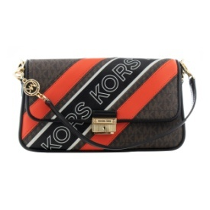 | Michael Kors | Women | Crossbody & Messenger Bag | Carry Over | 500 | 194900725191 | 30F1G2BL1B-BROWN-MULTI-OS | Bradshaw | Brown | OS | 100% Calf Leather | 4 | 490.00 € | 204.17 €
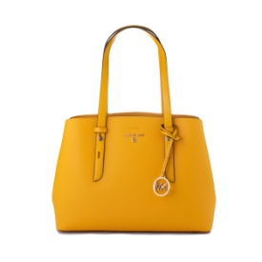 | Michael Kors | Women | Shoulder Bag | Carry Over | 400 | 194900340394 | 30S1G3MT2L-SUN-OS | Saffiano | Orange | OS | 100% Calf Leather | 24 | 425.00 € | 177.08 €
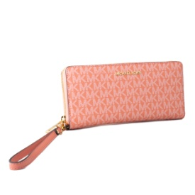 | Michael Kors | Women | Wallet | Carry Over | 500 | 196163063492 | 35F8GTVT3B-SHERBERT-MLT-OS | Jet Set Travel | Pink | OS | 67% PVC 17% POLY 14% CO 2% PU | 49 | 275.00 € | 114.58 €
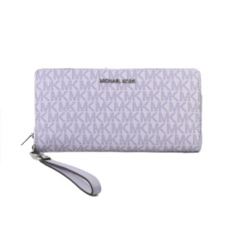 | Michael Kors | Women | Wallet | Carry Over | 500 | 196163073279 | 35H8STVT3B-LVDR-MST-MLT-OS | Jet Set Travel | Lilla | OS | 67% PVC 17% POLY 14% CO 2% PU | 47 | 275.00 € | 114.58 €
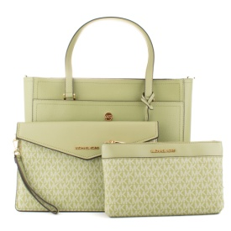 | Michael Kors | Women | Shoulder Bag | Carry Over | 410 | 194900921746 | 35T1G5MT7T-LT-SAGE-MLTI-OS | Set bag | Green | OS | 100% Calf Leather | 56 | 625.00 € | 260.42 €
 |  |  |  |  |  |  |  |  |  |  |  |  | 428.71 € | 178.63 €

